Context
OHS HAZARD REGISTER & RISK ASSESSMENT |  |  | 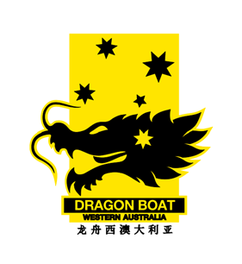

 |  | Date: | 27-Oct-20
Document Title: | OHS Risk Register & Assessment
Document No:
Organisation: | Dragon Boating WA
Facilitator: | Sheryl Kelly

Brief Scope Description | Dragon Boating WA (DBWA) is the state governing body for the sport of Dragon Boating in Western Australia. The sport consists of 14 clubs based around the state of Western Australia in metropolitian and regional areas. The sporting age of athletes various from 10 through to 70 plus. There are regular regatta racing events held during the designated racing season for the sport.

Assessment Participants | Name
President | Barbara Clarkson
Deputy President | John Beinke
Adminstration Director | Georgina Smith
Finance Director | Susan Troncone
Coaching Director | Laura Hughes
Board Member A | Debbie Fenn
Board Member B | Brad Brooksby
Board Member C | Sheryl Kelly
Appointed Board Member (MPIO) | Karen Sigley

